Project3646
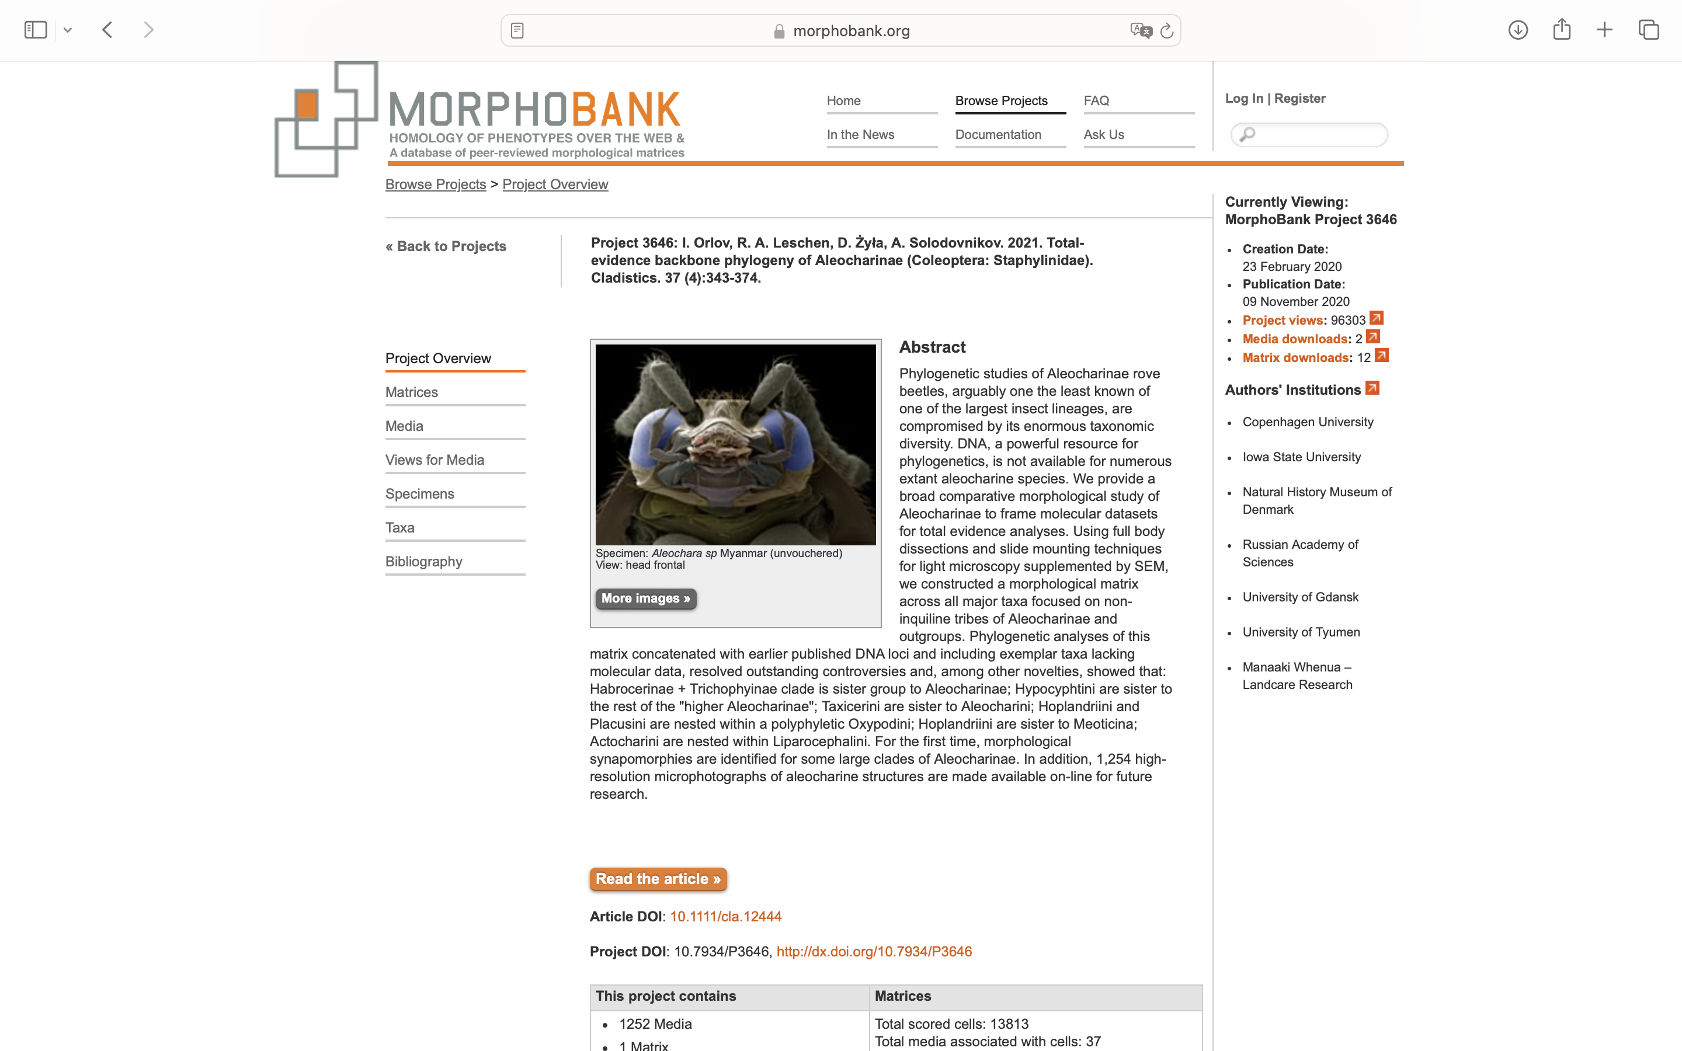
Charlabels | Character Pattern | Unseen States
[1] 'Forebody, form' | Tranformational | YES
[2] 'Antenna, apical antennal article, coeloconic sensillae' | Neomorphic | NO
[3] 'Antennae, apical segment, coeloconical sensillae' | Tranformational | NO
[4] 'Antennae, coeloconic sensillae, shape' | Tranformational | YES
[5] 'Head, setigerous pores' | Neomorphic | NO
[6] 'Head, width' | Tranformational | NO
[7] 'Head, mandibular-ocular distance' | Tranformational | NO
[8] 'Head, frontoclypeal suture' | Neomorphic | NO
[9] 'Head, hypostomal suture' | Neomorphic | NO
[10] 'Head, occipital suture' | Neomorphic | NO
[11] 'Head, occipital suture, when present' | Tranformational | NO
[12] 'Head, postoccipital sutures' | Neomorphic | NO
[13] 'Head, postoccipital sutures, when present' | Tranformational | NO
[14] 'Labrum, divided into two halves by medial longitudinal suture' | Tranformational | NO
[15] 'Labrum, anterior margin, medial area' | Tranformational | NO
[16] 'Labrum, apicolateral margins' | Tranformational | NO
[17] 'Labrum, setose processes in anterolateral areas' | Tranformational | YES
[18] 'Epipharynx, subapical pair of sensory spines' | Neomorphic | NO
[19] 'Epipharynx' | Tranformational | NO
[20] 'Epipharynx, medial, basal (more oral) to posteriorly directed setae' | Tranformational | NO
[21] 'Labrum, shape' | Tranformational | NO
[22] 'Epipharynx, mesolateral areas' | NT?;0=11;1=12;2=0-
[23] 'Epipharynx, middle basal region' | NT?;0=11;1=12;2=0-
[24] 'Labrum, apodeme' | Neomorphic | NO
[25] 'Labrum, apodeme, when present' | Tranformational | YES
[26] 'Labrum, discal setation' | NT?;0=11;1=12;2=0-
[27] 'Epipharynx, medial region, medial pore field' | Tranformational | YES
[28] 'Epopharynx, basal medial region' | Neomorphic | NO
[29] 'Epipharynx, basal medial region, sensory pores' | Tranformational | YES
[30] 'Epipharynx, basal region sensory pores' | Tranformational | YES
[31] 'Epipharynx, mesal region of medial pore field, pores' | Neomorphic | NO
[32] 'Epipharynx, mesal region of medial pore field' | Tranformational | NO
[33] 'Epipharynx, lateral pores' | Neomorphic | NO
[34] 'Epipharynx, lateral pores, when present' | Tranformational | NO
[35] 'Epipharynx, lateral pores, grouping in a row' | Tranformational | NO
[36] 'Epipharynx, basal lateral pores' | Neomorphic | NO
[37] 'Epipharynx, basal lateral pores, number' | Tranformational | NO
[38] 'Epipharynx, a-sensillum' | Neomorphic | NO
[39] 'Epipharynx, a-sensillum, when present' | Tranformational | NO
[40] 'Epipharynx, e-sensillum' | Neomorphic | NO
[41] 'Epipharynx, e-sensillum, size' | Tranformational | YES
[42] 'Mandibles, shape' | Tranformational | YES
[43] 'Mandibles, molar lobe' | Neomorphic | NO
[44] 'Mandible, molar lobe, when distinct' | Tranformational | NO
[45] 'Mandibles, number of ventral ball-and-socket articulating surfaces' | Tranformational | YES
[46] 'Mandiblr (right), recess at first one-third' | Neomorphic | NO
[47] 'Mandible (right), subapical teeth' | Neomorphic | NO
[48] 'Mandible (right), number of subapical teeth' | Tranformational | YES
[49] 'Mandible (left), shape' | Tranformational | NO
[50] 'Mandible (left), subapical teeth' | Neomorphic | NO
[51] 'Mandibles (left), number of subapical teeth' | Tranformational | YES
[52] 'Mandible (left), crescent adge' | Neomorphic | NO
[53] 'Mandibles, prostheca' | Tranformational | YES
[54] 'Mandibles, molar ventral area' | Tranformational | NO
[55] 'Mandibles, molar dorsal area, "velvety patch"' | Neomorphic | NO
[56] 'Mandibles, molar dorsal area, "silk patch"' | Neomorphic | NO
[57] 'Mandibles, molar dorsal area, row of spinules' | Neomorphic | NO
[58] 'Mandibles, molar dorsal area, number of row of spinules' | Tranformational | NO
[59] 'Mandibles, molar area, scale-like structures' | Neomorphic | NO
[60] 'Maxillary palpi, apical pseudosegment' | Neomorphic | NO
[61] 'Maxillary palpi, apical segment' | Tranformational | NO
[62] 'Galea, external (aboral) base' | Tranformational | NO
[63] 'Galea, internal (adoral) base' | Tranformational | NO
[64] 'Galea, apical setae' | Tranformational | YES
[65] 'Maxillary palpomere 1' | Tranformational | YES
[66] 'Maxillary palpomeres 2 and 3' | Tranformational | YES
[67] 'Maxillary palpomere 4 (apical palpomere)' | Tranformational | YES
[68] 'Maxillary palpomere 3, sensory field' | Neomorphic | NO
[69] 'Lacinia, length' | Tranformational | YES
[70] 'Lacinia, interdigitating setae' | Neomorphic | NO
[71] 'Lacinia, interdigitating setae, size' | Tranformational | YES
[72] 'Lacinia, apicomesal edge' | Tranformational | YES
[73] 'Galea, length to lacinia' | Tranformational | NO
[74] 'Galea, apical spines/setae' | NT?;0=11;1=12;2=13;3=0-
[75] 'Galea, width to lacinia' | Tranformational | NO
[76] 'Cardo, shape' | Tranformational | YES
[77] 'Mentum, size' | Tranformational | YES
[78] 'Mentum and submentum' | Neomorphic | NO
[79] 'Mentum, width to gula' | Tranformational | YES
[80] 'Mentum, shape' | Tranformational | YES
[81] 'Mentum, anterior margin' | Tranformational | YES
[82] 'Mentum, shape - 2' | Tranformational | NO
[83] 'Mentum, anterolateral surface' | Tranformational | NO
[84] 'Ligula of prementum' | Tranformational | NO
[85] 'Ligula, shape' | Tranformational | YES
[86] 'Ligula, length' | Tranformational | NO
[87] 'Ligula, shape of apex' | Tranformational | YES
[88] 'Ligula, shape of apex, division into two lobes' | Tranformational | YES
[89] 'Ligula, apical/subapical spines' | Tranformational | NO
[90] 'Ligula, middle part, pair of sensory setae' | Neomorphic | NO
[91] 'Ligula, base area' | Tranformational | NO
[92] 'Labial palpi, shape' | Tranformational | NO
[93] 'Labial palpi, fusion' | NT?;0=0-;1=11;2=12
[94] 'Labial palpomere 2, shape and size' | Tranformational | YES
[95] 'Labial palpomere 1, length' | Tranformational | NO
[96] 'Labial palpi, apical pseudosegment' | Neomorphic | NO
[97] 'Labial palpomere 1, longitudinal row of setae' | Neomorphic | NO
[98] 'Prementum, presence of discal setae' | NT?;0=0-;1=11;2=12
[99] 'Prementum, distance between discal setae' | Tranformational | YES
[100] 'Prementum, setae' | Tranformational | YES
[101] 'Prementum, medial area' | Tranformational | NO
[102] 'Prementum, medial pseudopore field' | Tranformational | YES
[103] 'Prementum, medial pseudopore field, pseudopores' | NT?;0=0-;1=11;2=12
[104] 'Prementum, lateral area, pores' | NT?;0=11;1=12;2=0-
[105] 'Prementum, lateral area, pseudopores' | Neomorphic | NO
[106] 'Prementum, lateral pseudopore field, setae number' | NT?;0=11;1=12;2=0-
[107] 'Hypopharynx, rows of setigerous pores on each side medial to hypopharyngeal fringe' | Tranformational | NO
[108] 'Hypopharynx' | Tranformational | YES
[109] 'Hypopharinx, setae on aboral margin' | Neomorphic | NO
[110] 'Hypopharinx, setae on aboral margin, when present' | Tranformational | YES
[111] 'Pronotum, shape' | Tranformational | YES
[112] 'Pronotum, medial longitudinal sulcus' | Neomorphic | NO
[113] 'Hypomeron' | Tranformational | NO
[114] 'Hypomeral process' | Neomorphic | NO
[115] 'Prosternum, shape' | Tranformational | YES
[116] 'Prosternum' | Tranformational | NO
[117] 'Prosternum, shape (without lateral flanges)' | Tranformational | YES
[118] 'Prosternum, medial suture' | Neomorphic | NO
[119] 'Prosternum, medial keel' | Neomorphic | NO
[120] 'Prosternum, medial keel, when present' | Tranformational | YES
[121] 'Mesospiracular peritremes' | Tranformational | YES
[122] 'Scutellar shield' | Tranformational | NO
[123] 'Elytron, shape' | Tranformational | YES
[124] 'Elytra, epipleural ridge' | Neomorphic | NO
[125] 'Elytra, pseudoepipleural ridge' | Neomorphic | NO
[126] 'Elytra, posterolateral margin' | NT?;0=0-;1=11;2=12
[127] 'Elytra, posterolateral edge' | Neomorphic | NO
[128] 'Tarsomeres, number' | Tranformational | YES
[129] 'Last tarsal segment, large dorsolaterally directed seta on each side near apex' | Neomorphic | NO
[130] 'Protibia, preapical longitudinal ctenidium of setulae' | Neomorphic | NO
[131] 'Protibia, preapical longitudinal ctenidium of setulae, when present' | NT?;0=0-;1=11;2=12
[132] 'Tibia, irregularly distributed stout spines' | Neomorphic | NO
[133] 'Tarsal claws, shape' | Tranformational | YES
[134] 'Empodial setae' | NT?;0=0-;1=11;2=12
[135] 'Empodial bristles, relative lengths (when two setae)' | Tranformational | YES
[136] 'Empodial bristles, length relative to tarsal claws' | Tranformational | YES
[137] 'Ventral lamella on hind coxae' | Neomorphic | NO
[138] 'Mesonotum, anterolateral setae separation' | Tranformational | YES
[139] 'Mesonotum, large field of setae' | Tranformational | YES
[140] 'Mesonotum, small field of setae' | Tranformational | NO
[141] 'Mesonotum, medial field, pores' | NT2;0=0-;1=11;2=12
[142] 'Mesonotum, medial field, surface' | NT?;0=0-;1=11;2=12
[143] 'Meso-ventral process' | Tranformational | NO
[144] 'Meso-metaventral process' | Tranformational | NO
[145] 'Mesocoxae, separation' | Tranformational | YES
[146] 'Mesocoxal acetabula' | Tranformational | NO
[147] 'Metaventral process' | Neomorphic | NO
[148] 'Metaventral process, when distinct' | Tranformational | NO
[149] 'Mesocoxal cavities' | Tranformational | NO
[150] 'Mesocoxal cavities, intercoxal bar' | Neomorphic | NO
[151] 'Mesocoxal cavities, mesendosternite' | Tranformational | YES
[152] 'Mesocoxal cavities, mesendosternite, additional pair' | Tranformational | YES
[153] 'Mesocoxal cavities, lateral longitudinal ridge' | Neomorphic | NO
[154] 'Metendosternite, flanges for muscle attachment at apex of distal arms' | NT2;0=11;1=12;2=0-
[155] 'Metendosternite, medial spine between distal arms' | Neomorphic | NO
[156] 'Hind wings' | Neomorphic | NO
[157] 'Wings, presence of flabellum' | Tranformational | YES
[158] 'Wings, flabellum, number of appendages' | Tranformational | YES
[159] 'Wings, setae at R1 area' | NT?;0=11;1=0-;2=12
[160] 'Laterotergites on abdominal segments 3-7, number' | Tranformational | YES
[161] 'Comb of cuticular projections on posterior margins of abdominal segments 3-6' | Neomorphic | NO
[162] 'Cuticular projections on posterior margins of abdominal segments 3-6, form' | Tranformational | YES
[163] 'Abdominal tergite IV-VI, base area, transverse ridges' | Neomorphic | NO
[164] 'Abdominal tergite IV-VI, pattern of transverse ridges' | Tranformational | YES
[165] 'Abdominal tergites IV-VI, lateral bar between transverse ridges' | Tranformational | NO
[166] 'Abdominal ventrite III-VI, pattern of transverse ridges' | Tranformational | NO
[167] 'Abdominal ventrite VII, glands opening' | Neomorphic | NO
[168] 'Abdominal ventrite VII, glands openings, when grouped' | Tranformational | YES
[169] 'Abdominal ventrites VII, basal transverse ridge' | Neomorphic | NO
[170] 'Abdominal tergum VII, tergal gland opening on anterior margin' | Neomorphic | NO
[171] 'Tergum VII, gland opening, size' | Tranformational | YES
[172] 'Abdominal sternum IV' | Tranformational | NO
[173] 'Male tergum VIII' | Tranformational | YES
[174] 'Abdominal tergites VIII-IX' | Tranformational | NO
[175] 'Abdominal tergum X, apical form' | Tranformational | YES
[176] 'Male tergum IX, laterotergal struts' | Neomorphic | NO
[177] 'Male tergum IX' | Tranformational | YES
[178] 'Male sternum IX, anterior struts' | Neomorphic | NO
[179] 'Male sternum IX, anterior struts, when present' | Tranformational | NO
[180] 'Tergum X, shape' | Tranformational | YES
[181] 'Setose areas of tergum X' | Tranformational | YES
[182] 'Tergum X, setose area' | Tranformational | NO
[183] 'Aedeagus, median lobe, compressor plate' | Neomorphic | NO
[184] 'Aedeabus, median lobe, compressor plate, when present' | Tranformational | YES
[185] 'Median lobe, internal sac, spines' | Neomorphic | NO
[186] 'Basal bulb of aedeagus' | Neomorphic | NO
[187] 'Median lobe, attachments for parameres' | Neomorphic | NO
[188] 'Median lobe, attachments for parameres, when present' | Tranformational | YES
[189] 'Medial lobe of aedeagus, basal bulb' | Tranformational | NO
[190] 'Medial lobe, basal bulb, sclerotized flap over base of compressor plate' | Neomorphic | NO
[191] 'Medial lobe, athetine bridge' | Neomorphic | NO
[192] 'Paramere characteristics, general form' | Tranformational | YES
[193] 'Paramere velum' | Tranformational | NO
[194] 'Paramere, velum, form' | Tranformational | NO
[195] 'Paramere, apical lobe of paramerite (length)' | Tranformational | NO
[196] 'Paramere, apical lobe of paramerite, setae distribution' | NT?;0=11;1=12;2=0-
[197] 'Paramere, apical lobe' | Tranformational | YES
[198] 'Paramere, apical lobe of paramerite, articulation' | NT?;0=0-;1=11;2=12
[199] 'Paramere, condylite, articulation with paramerite' | Neomorphic | NO
[200] 'Paramere, paramerite, hinge zone extended from "dorsal surface" to near articulation between condylite and paramerite' | NT?;0=0-;1=11;2=12
[201] 'Female tergum VIII' | Tranformational | NO
[202] 'Female gonocoxites' | NT?;0=11;1=12;2=0-

